Master
Technical Data Sheet - Commercial Heat Pump (Air to Water)
 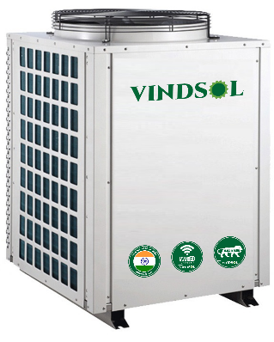 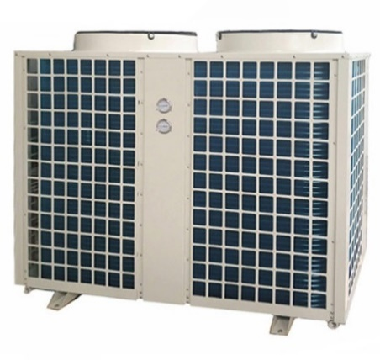 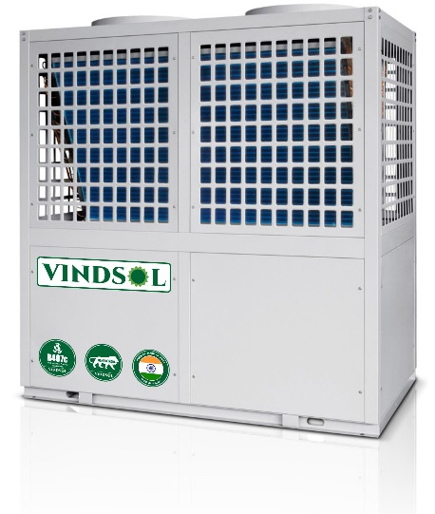
Characteristics: 1) Adopts Tube in Shell heat exchanger and with inbuilt Circulating Pump inside. 2) Efficient Rotary compressor; Safe, Reliables, Stable running & durable. 3) Efficient Saginomya four-way valve; It is very efficient in defrosting in low ambient temp 4) Saginomya / SANHUA / Electronic Expansion Valve (EEV) or Thernostatic expnasion valve 5) Tube in tube heat exchanger inside with higher heat exchange efficiency than tube in shell heat exchanger used by others, with higher reliability & longer lifetime. 6) Green & Environment-friendly Refrigerant : R410A,R407c, R134A 7) Compressor rubber feet specially selected to reduce vibration. 8) Reliable Design and Strict Quality Control; All products 100% are tested and run at the factory to assure proper operation of all components and safety switches. |  |  |  |  | 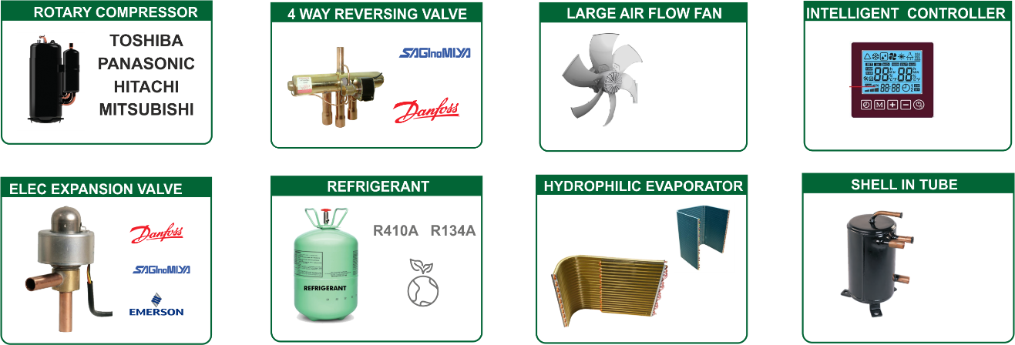
MAIN FUNCTIONS OF HEAT PUMPS
Heat pump protection | High pressure protection |  |  |  | When water flow is too small or water temp. too high ,will prevent compressor to be damaged
 | Low pressure protection |  |  |  | When refrigerant leaked , prevent compressor work without pressure.
 | Compressor over current protection |  |  |  | Prevent compressor to work when current over max value
 | Phase protection |  |  |  | Wrong phase/ absent phase protection (for 380V)
 | Anti-freezing protection |  |  |  | Prevent water pipes and water tank freezing
Project function | Water level indication |  |  |  | Indicate high/low water level
 | constant water temp. replenishing |  |  |  | Replenishing water temp. can be set, make water tank temp. constant
 | Timing water temp. replenishing |  |  |  | Can set heat pump replenish cold water at certain time
 | Timing hot water supply |  |  |  | Can supply hot water at certain time
 | Cycle water(return water ) setting |  |  |  | Can set cycle water temp.
 | Timing start/stop heat pump
 | Manual switch |  |  |  | Seperated start/stop signal can be connected with solr system(for choice
Model | VCHP-1720 | VCHP-2124 | VCHP-2528 | VCHP-3640 | VCHP-4247 | VCHP-5058 | VCHP-6068 | VCHP-7076 | VCHP-8896 | VCHP-100120 | VCHP-140160 | VCHP-180200
Heating capacity KW | 20 | 22 | 27 | 40 | 47 | 58 | 68 | 76 | 96 | 115 | 150 | 190
Heating capacity Btu/hr | 68240 | 75064 | 92124 | 136480 | 160364 | 197896 | 232016 | 259312 | 327552 | 394086 | 511800 | 648280
Rated heated water output* | 488 | 541 | 648 | 1000 | 1172 | 1463 | 1671 | 1913 | 2417 | 2923 | 3796 | 4809
Rated heated water output** | 427 | 617 | 567 | 876 | 1020 | 1277 | 0 | 1669 | 2112 | 2554 | 3322 | 4208
Rated outlet water temp. | 55 | 55 | 55 | 55 | 55 | 55 | 55 | 55 | 55 | 55 | 55 | 55
Max outlet water temp. | 60 | 60 | 60 | 60 | 60 | 60 | 60 | 60 | 60 | 60 | 60 | 60
Power | 380 ～415V/3PH/ 50Hz
Rated input power | 4.50 | 5 | 6.00 | 9.20 | 10.80 | 13.50 | 15.2 | 17.70 | 22.40 | 26.00 | 34.00 | 43.00
Rated input current | 9 | 10 | 12 | 18 | 21 | 26.3 | 31 | 34.5 | 43.6 | 52 | 68 | 86
Compressor type | Scroll*1 | Scroll*1 | Scroll*1 | Scroll*2 | Scroll*2 | Scroll*2 | Scroll*2 | Scroll*2 | Scroll*2 | Scroll*4 | Scroll*4 | Scroll*4
Compressor brand | Emerson Copeland / Danfoss
Throttle type | Electronic expansion valve (EEV)
Fan type | Low noise high Efficiency axial type
Fan direction | Vertical
Fan No. | 1 | 1 | 1 | 2 | 2 | 2 | 2 | 2 | 2 | 3 | 4 | 4
Fan Input power | 250 | 250 | 250 | 250 | 550 | 550 | 550 | 750 | 750 | 550 | 750 | 750
Fan Speed | 880 | 880 | 880 | 880 | 880 | 910 | 910 | 940 | 940 | 910 | 940 | 940
Evaporator fin type | Hydrophilic aluminium
Evaporator tube type | Innergroove tube
Heat exchanger ype | High efficiency tube in Shell heat exchanger
Heat exchanger No. | 1 | 1 | 1 | 2 | 2 | 2 | 2 | 2 | 2 | 4 | 4 | 4
Controller type | Intelligent & LCD
Ambient Temperature | (-10℃~+45 ℃)
Refrigerant type | R407c
Buitl In protection | Voltage protection, Current protection, Open phase, Phase reversal, Phase imbalance, Compressor high discharge temperature protection, Compressor high discharge pressure protection, Compressor overload, Anti-Freeze protection
Water pipe size | Rc1(DN25) | Rc1(DN25) | Rc1(DN25) | Rc1-1/2(DN40) | Rc1-1/2(DN40) | Rc1-1/2(DN40) | Rc1-1/2(DN40) | Rc2(DN50) | Rc2(DN50) | Rc2(DN50) | Rc2-1/2(DN65) | Rc2-1/2(DN65)
Water flow volume | 4.0 | 4.0 | 5.0 | 8.0 | 9.5 | 12.0 | 13.2 | 15.5 | 19.5 | 24.0 | 30.0 | 39.0
Cabinet | Powder coated steel
Unit Size | 855/775/1095 | 855/775/1095 | 855/775/1095 | 1400/810/1080 | 1550/845/1180 | 1550/845/1180 | 2000/1005/1865 | 2000/1005/1865 | 2010/1165/2025 | 2315*1165*2035 | 2000*2010*1865 | 2010/2330/2025
N.W | 175 | 175 | 210 | 350 | 400 | 460 | 595 | 730 | 870 | 1050 | 1350 | 1500
Testing condition *: Heating: Ambient temp. (DB/WB): 25℃/20℃, water temp. (input/output): 20℃/55℃. Testing condition **: Heating: Ambient temp. (DB/WB): 20℃/15℃, water temp. (input/output): 15℃/55℃. |  |  |  |  |  |  |  |  |  |  | Standard Regular Moving model
¹ ² Standard conditions for hot water heating |  |  |  |  |  |  |  |  |  |  | Non Regular Moving Models
Please note that the above specifications may vary slightly from the actual product due to ongoing updates and improvements. Therefore, this information should not be considered as part of any commercial agreement. For accurate details, refer to the product label at the time of purchase or contact us directly. Our company reserves the right to make changes as necessary. |  |  |  |  |  |  |  |  |  |  | Not Made
 | MECHZEPHYR ENGINEERING PVT LTD SYNO 90/ 2A4, 90/1B2 Harapanahalli Jigani Hobli, Anekal Taluk,Bangalore Urban Karnataka,India 560105. Mobile : 9900095490 | Email: deepak@vindsol.in |  |  |  | Domestic water heat pumps Commercial Water Heat Pumps Next Gen Thermodynamics Heat Pumps Swimming pool heat pump
Complete water Heating Solutions

Sheet1
Ambient temp.(℃) | -5 | 0 | 5 | 10 | 15 | 20 | 25 | 30 | 35 | 40 | 45 | 50
COP(water temp.15-55℃) | 2.51 | 2.92 | 3.38 | 3.9 | 4.29 | 4.9 | 5.01 | 5.25 | 5.56 | 5.83 | 6.1
COP | 1 | 2 | 3 | 4 | 5 | 6 | 7 | 8 | 9 | 10 | 11 | 12

C.O.P Test Curve

Ambient temp.(℃) | -5 | 0 | 5 | 10 | 15 | 20 | 25 | 30 | 35 | 40 | 45 | 50
COP(water temp.15-55℃) | 2.51 | 2.92 | 3.34 | 3.8 | 4.21 | 4.7 | 4.92 | 5.25 | 5.56 | 5.83 | 6.1
COP | 1 | 2 | 3 | 4 | 5 | 6 | 7 | 8 | 9 | 10 | 11 | 12

 | 2.51 | 2.92 | 3.34 | 3.8 | 4.21 | 4.7 | 4.92 | 5.25 | 5.56 | 5.83 | 6.1

 |  | 2.51 |  | 2.92
 |  | 2.92 | 1.1633466135 | 3.34
 |  | 3.34 | 1.1438356164 | 3.8
 |  | 3.8 | 1.1377245509 | 4.21
 |  | 4.21 | 1.1078947368 | 4.7152
 |  | 4.89 | 1.12 | 4.96
 |  | 4.96 | 1.0143149284 | 5.25
 |  | 5.25 | 1.0584677419 | 5.56
 |  | 5.56 | 1.059047619 | 5.83
 |  | 5.83 | 1.0485611511 | 6.1
 |  | 6.1 | 1.0463121784

